O2 calculation


THE NERNST EQUATION
Calculation of oxygen concentration from CarboProbe signal

VALUE COMING FROM YOUR CARBOPROBE

TEMPERATURE (°C)

 | 733

PROBE OUTPUT (mV)

 | 25

Reference gas partial pressure |  | Ambient air is 20.9 mole % oxygen and at a pressure of 1.01325 bar. Therefore the partial pressure of oxygen in ambient air is 0.2118 bar. This is for dry air and does not include any correction for humidity. Outside the tropics, the error is usually insignificant. Normally, this small difference is less than the measurement error of a zirconia oxygen probe.

0.209

Measure gas pressure (bar) |  | This is the pressure inside your kiln / furnace. The default value is 1 and should be left as it is unless you clearly have an idea of the actual pressure inside your kiln/furnace

1

RESULTS

Partial pressure |  | 0.065939052752

ppm O2 |  | 65939.052752

% O2 |  | 6.5939052752

Log O2 |  | -1.180857296

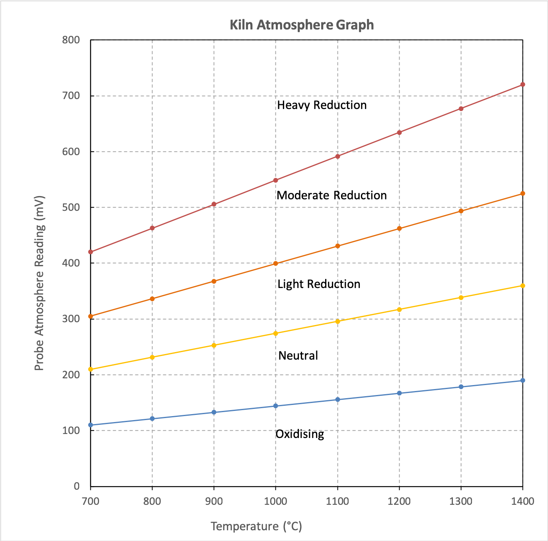
Working with an oxygen probe is easy if you understand the value it gives. When it comes to oxidation or reduction, roughly speaking, a reading less than 100mV represents oxidizing conditions and a reading over 300mV represents reduction. Heavy reduction might give a reading of 500mV or even more. In between 100mV and 300mV the temperature must be known for accurate interpretation.

See User manual for more information

 |  | Certified management system | ISO 9001 | ISO 14001 | OHSAS 18001
 |  | T : +41 32 465 10 00 | F : +41 32 465 10 01 | www.econox.com
 |  | ECONOX SA | Rue de l’église 25 | 2942 Alle | Switzerland

